Rating and PDS&P Moody's Fitch
S&P | Moody's | Fitch | Scale 21 | Internal Rating
AAA | Aaa | AAA | 21 | 1
AA+ | Aa1 | AA+ | 20 | 2
AA | Aa2 | AA | 19 | 3
AA- | Aa3 | AA- | 18 | 4
A+ | A1 | A+ | 17 | 5
A | A2 | A | 16 | 6
A- | A3 | A- | 15 | 7
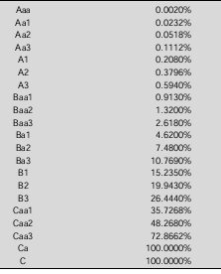
BBB+ | Baa1 | BBB+ | 14 | 8
BBB | Baa2 | BBB | 13 | 9
BBB- | Baa3 | BBB- | 12 | 10
BB+ | Ba1 | BB+ | 11 | 11
BB | Ba2 | BB | 10 | 12
BB- | Ba3 | BB- | 9 | 13
B+ | B1 | B+ | 8 | 14
B | B2 | B | 7 | 15
B- | B3 | B- | 6 | 16
CCC+ | Caa1 | CCC+ | 5 | 17
CCC | Caa2 | CCC | 4 | 17
CCC- | Caa3 | CCC- | 3 | 17
CC | Ca | CC | 2 | 17
 |  | C | 2 | 17
SD | C | DDD | 1
D |  | DD | 1
 |  | D | 1

